Sheet1
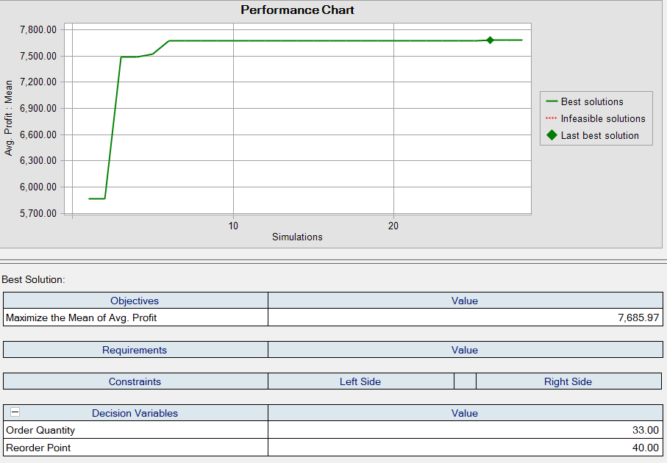
 | Beginning | Units | Quantity | Demand | Ending | Inventory | Order? | Lead | Order Arrives | Holding | order | Sales in | loss due | Profit in
Day | Inventory | Received | Demanded | Satisfied | Inventory | Position | (0=n,1=y) | Time | On Day | cost | cost | a day | outsotck | a day
1 | 50 | 0 | 7 | 7 | 43 | 43 | 0 | 3 | 0 | 15 | 0 | 315 | 0 | 300
2 | 43 | 0 | 7 | 7 | 36 | 36 | 0 | 4 | 0 | 12.9 | 0 | 315 | 0 | 302.1
3 | 36 | 0 | 8 | 8 | 28 | 28 | 0 | 4 | 0 | 10.8 | 0 | 360 | 0 | 349.2
4 | 28 | 0 | 6 | 6 | 22 | 22 | 0 | 5 | 0 | 8.4 | 0 | 270 | 0 | 261.6
5 | 22 | 0 | 6 | 6 | 16 | 16 | 1 | 4 | 10 | 6.6 | 20 | 270 | 0 | 243.4
6 | 16 | 0 | 7 | 7 | 9 | 69 | 0 | 5 | 0 | 5.4 | 0 | 315 | 0 | 309.6
7 | 9 | 0 | 9 | 9 | 0 | 60 | 0 | 4 | 0 | 2.7 | 0 | 405 | 0 | 402.3
8 | 0 | 0 | 4 | 0 | 0 | 60 | 0 | 4 | 0 | 0 | 0 | 0 | 260 | -260
9 | 0 | 0 | 5 | 0 | 0 | 60 | 0 | 4 | 0 | 0 | 0 | 0 | 325 | -325
10 | 0 | 60 | 7 | 7 | 53 | 53 | 0 | 4 | 0 | 0 | 0 | 315 | 0 | 315
11 | 53 | 0 | 9 | 9 | 44 | 44 | 0 | 4 | 0 | 15.9 | 0 | 405 | 0 | 389.1
12 | 44 | 0 | 4 | 4 | 40 | 40 | 0 | 4 | 0 | 13.2 | 0 | 180 | 0 | 166.8
13 | 40 | 0 | 8 | 8 | 32 | 32 | 0 | 5 | 0 | 12 | 0 | 360 | 0 | 348
14 | 32 | 0 | 5 | 5 | 27 | 27 | 0 | 4 | 0 | 9.6 | 0 | 225 | 0 | 215.4
15 | 27 | 0 | 8 | 8 | 19 | 19 | 1 | 3 | 19 | 8.1 | 20 | 360 | 0 | 331.9
16 | 19 | 0 | 10 | 10 | 9 | 69 | 0 | 4 | 0 | 5.7 | 0 | 450 | 0 | 444.3
17 | 9 | 0 | 6 | 6 | 3 | 63 | 0 | 4 | 0 | 2.7 | 0 | 270 | 0 | 267.3
18 | 3 | 0 | 8 | 3 | 0 | 60 | 0 | 3 | 0 | 0.9 | 0 | 135 | 325 | -190.9
19 | 0 | 60 | 5 | 5 | 55 | 55 | 0 | 3 | 0 | 0 | 0 | 225 | 0 | 225
20 | 55 | 0 | 6 | 6 | 49 | 49 | 0 | 4 | 0 | 16.5 | 0 | 270 | 0 | 253.5
21 | 49 | 0 | 7 | 7 | 42 | 42 | 0 | 4 | 0 | 14.7 | 0 | 315 | 0 | 300.3
22 | 42 | 0 | 4 | 4 | 38 | 38 | 0 | 4 | 0 | 12.6 | 0 | 180 | 0 | 167.4
23 | 38 | 0 | 5 | 5 | 33 | 33 | 0 | 4 | 0 | 11.4 | 0 | 225 | 0 | 213.6
24 | 33 | 0 | 2 | 2 | 31 | 31 | 0 | 4 | 0 | 9.9 | 0 | 90 | 0 | 80.1
25 | 31 | 0 | 8 | 8 | 23 | 23 | 0 | 5 | 0 | 9.3 | 0 | 360 | 0 | 350.7
26 | 23 | 0 | 6 | 6 | 17 | 17 | 1 | 3 | 30 | 6.9 | 20 | 270 | 0 | 243.1
27 | 17 | 0 | 5 | 5 | 12 | 72 | 0 | 4 | 0 | 5.1 | 0 | 225 | 0 | 219.9
28 | 12 | 0 | 4 | 4 | 8 | 68 | 0 | 3 | 0 | 3.6 | 0 | 180 | 0 | 176.4
29 | 8 | 0 | 7 | 7 | 1 | 61 | 0 | 4 | 0 | 2.4 | 0 | 315 | 0 | 312.6
30 | 1 | 60 | 6 | 6 | 55 | 55 | 0 | 3 | 0 | 0.3 | 0 | 270 | 0 | 269.7

 |  |  |  |  |  | Reorder Point | 20
 |  |  |  |  |  | Order Quantity | 60

 |  |  |  |  |  | Performance Measures
 |  |  |  |  |  | Service Level | 0.92592592593
 |  |  |  |  |  | Average Inventory | 24.666666667

 |  |  |  |  |  | Profit Measure
 |  |  |  |  |  | Average Profit | 6682.4

